Rating Grid
3
1
0
 |  |  |  | Score by Segment
 | Pricing Metric ~ Decision Guide
 | Your objective is to evaluate and identify the Pricing (Value) Metrics most likely to perform best.
 | Step 1: List up to 10 different Pricing (Value) Metrics in Column B.
 | Step 2: Score each Metric Option for each Criteria [ only using "3" to indicate you strongly agree, "1" somewhat agree and "0" do not agree ] |  |  |  |  |  |  | Strongly Agree |  | Somewhat Agree |  | Do Not Agree

 |  | < < < Your Customers' Perspective > > > |  |  |  |  |  | < < < Your Company's Perspective > > >
 | Click Here for Help | Supports Differences in Value Across Segments |  |  | Simplicity |  | Advantage | Fits with Business Goals |  | Internal Exectuion |  | Cost-to-Serve
 | Criteria Description | Relevant to the Business of Most Buyers | Applies Across the Range of Most Use Cases | Relevant to How Most Buyers Experience Value-in-Use | Easy to Understand | Easy to Estimate or Forecast Requirements | Promotes Favorable Position Over Alternatives | Revenue Scales with Customer Success | Encourages Increased Use | Simple to Measure | Easy to Enforce | Tracks to Differences in Cost-to-Serve
 | Weight | 1.00 | 1.00 | 1.00 | 1.50 | 1.50 | 1.00 | 1.50 | 2.00 | 1.00 | 1.00 | 1.25 | Totals

1 |  |  |  |  |  |  |  |  |  |  |  |  | Unweighted | 0.00
 |  | 0.00 | 0.00 | 0.00 | 0.00 | 0.00 | 0.00 | 0.00 | 0.00 | 0.00 | 0.00 | 0.00 | Weighted | 0.00

2 |  |  |  |  |  |  |  |  |  |  |  |  | Unweighted | 0.00
 |  | 0.00 | 0.00 | 0.00 | 0.00 | 0.00 | 0.00 | 0.00 | 0.00 | 0.00 | 0.00 | 0.00 | Weighted | 0.00

3 |  |  |  |  |  |  |  |  |  |  |  |  | Unweighted | 0.00
 |  | 0.00 | 0.00 | 0.00 | 0.00 | 0.00 | 0.00 | 0.00 | 0.00 | 0.00 | 0.00 | 0.00 | Weighted | 0.00

4 |  |  |  |  |  |  |  |  |  |  |  |  | Unweighted | 0.00
 |  | 0.00 | 0.00 | 0.00 | 0.00 | 0.00 | 0.00 | 0.00 | 0.00 | 0.00 | 0.00 | 0.00 | Weighted | 0.00

5 |  |  |  |  |  |  |  |  |  |  |  |  | Unweighted | 0.00
 |  | 0.00 | 0.00 | 0.00 | 0.00 | 0.00 | 0.00 | 0.00 | 0.00 | 0.00 | 0.00 | 0.00 | Weighted | 0.00

6 |  |  |  |  |  |  |  |  |  |  |  |  | Unweighted | 0.00
 |  | 0.00 | 0.00 | 0.00 | 0.00 | 0.00 | 0.00 | 0.00 | 0.00 | 0.00 | 0.00 | 0.00 | Weighted | 0.00

7 |  |  |  |  |  |  |  |  |  |  |  |  | Unweighted | 0.00
 |  | 0.00 | 0.00 | 0.00 | 0.00 | 0.00 | 0.00 | 0.00 | 0.00 | 0.00 | 0.00 | 0.00 | Weighted | 0.00

8 |  |  |  |  |  |  |  |  |  |  |  |  | Unweighted | 0.00
 |  | 0.00 | 0.00 | 0.00 | 0.00 | 0.00 | 0.00 | 0.00 | 0.00 | 0.00 | 0.00 | 0.00 | Weighted | 0.00

9 |  |  |  |  |  |  |  |  |  |  |  |  | Unweighted | 0.00
 |  | 0.00 | 0.00 | 0.00 | 0.00 | 0.00 | 0.00 | 0.00 | 0.00 | 0.00 | 0.00 | 0.00 | Weighted | 0.00

10 |  |  |  |  |  |  |  |  |  |  |  |  | Unweighted | 0.00
 |  | 0.00 | 0.00 | 0.00 | 0.00 | 0.00 | 0.00 | 0.00 | 0.00 | 0.00 | 0.00 | 0.00 | Weighted | 0.00

 | Unweighted | 0 | 0 | 0 | 0 | 0 | 0 | 0 | 0 | 0 | 0 | 0 |  | Click Here

 | Weighted | 0 | 0 | 0 | 0 | 0 | 0 | 0 | 0 | 0 | 0 | 0 |  | for Graph

 | Others Metrics to Consider ( list below )
1
2
3
4
5
6
7
8
9
10

Graph
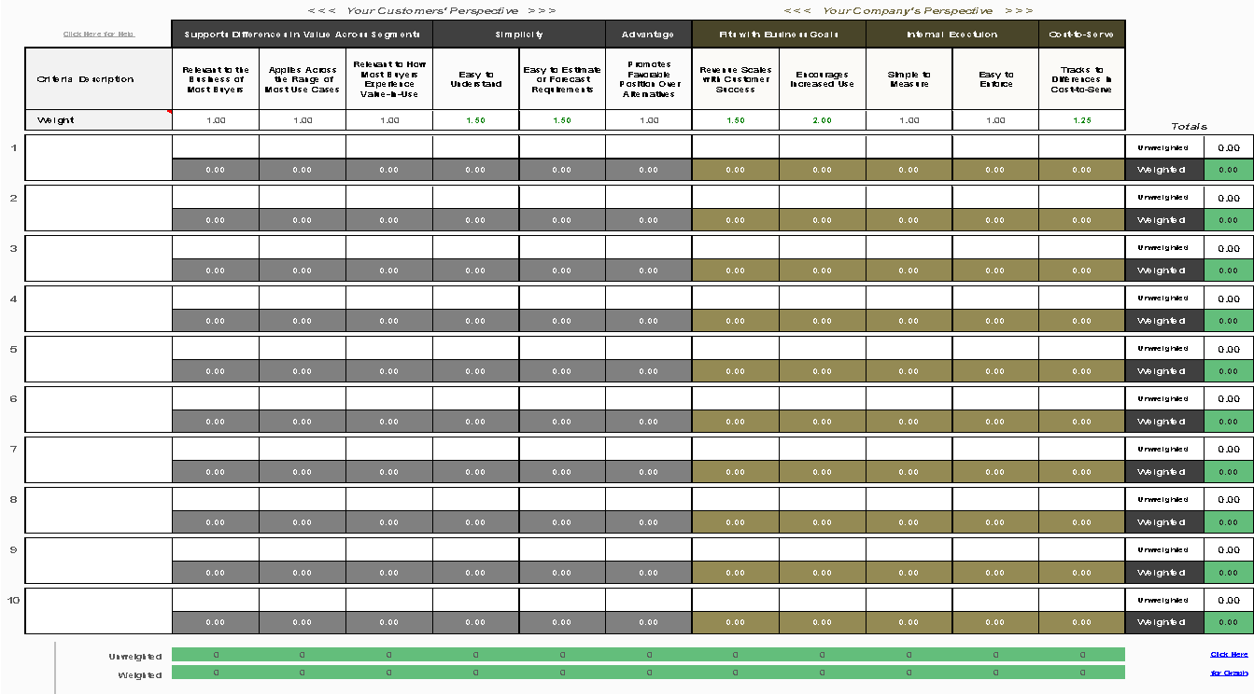
Metric Decision Rating Graph | Click Here to return to Rating Grid

Weighted Scores
Unweighted Scores

